Daily Power Station Chart_14-01
Plant_07/01/2025Chart

Plant:odco1 |  |  | Installed Capacity:111.180kWp
Today Yield(kWh):534.300kWh |  | Today Earning:213720.000TND |  | Today Full Load Hours(h):4.81h

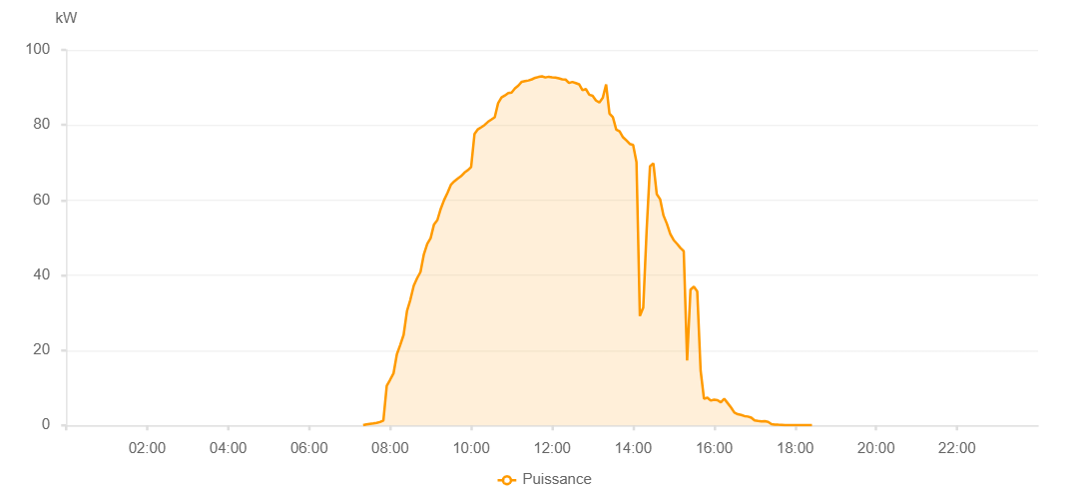

Number | Time | Working State | PV(W) | Instantaneous Radiation(W/㎡)
1 | 07:20:00 | Online | 50.00000 | 0
2 | 07:25:00 | Online | 260.00000 | 0
3 | 07:30:00 | Online | 400.00000 | 0
4 | 07:35:00 | Online | 530.00000 | 2.00000
5 | 07:40:00 | Online | 680.00000 | 9.00000
6 | 07:45:00 | Online | 900.00000 | 12.00000
7 | 07:50:00 | Online | 1320.00000 | 12.00000
8 | 07:55:00 | Online | 10550.00000 | 138.00000
9 | 08:00:00 | Online | 12150.00000 | 168.00000
10 | 08:05:00 | Online | 13840.00000 | 168.00000
11 | 08:10:00 | Online | 18930.00000 | 202.00000
12 | 08:15:00 | Online | 21440.00000 | 230.00000
13 | 08:20:00 | Online | 24120.00000 | 292.00000
14 | 08:25:00 | Online | 30460.00000 | 292.00000
15 | 08:30:00 | Online | 33470.00000 | 350.00000
16 | 08:35:00 | Online | 37190.00000 | 375.00000
17 | 08:40:00 | Online | 39200.00000 | 375.00000
18 | 08:45:00 | Online | 40860.00000 | 424.00000
19 | 08:50:00 | Online | 45570.00000 | 424.00000
20 | 08:55:00 | Online | 48360.00000 | 447.00000
21 | 09:00:00 | Online | 49880.00000 | 468.00000
22 | 09:05:00 | Online | 53510.00000 | 512.00000
23 | 09:10:00 | Online | 54680.00000 | 512.00000
24 | 09:15:00 | Online | 57690.00000 | 547.00000
25 | 09:20:00 | Online | 60040.00000 | 568.00000
26 | 09:25:00 | Online | 61930.00000 | 568.00000
27 | 09:30:00 | Online | 64070.00000 | 580.00000
28 | 09:35:00 | Online | 64990.00000 | 602.00000
29 | 09:40:00 | Online | 65710.00000 | 629.00000
30 | 09:45:00 | Online | 66370.00000 | 629.00000
31 | 09:50:00 | Online | 67300.00000 | 647.00000
32 | 09:55:00 | Online | 67950.00000 | 661.00000
33 | 10:00:00 | Online | 68790.00000 | 676.00000
34 | 10:05:00 | Online | 77590.00000 | 689.00000
35 | 10:10:00 | Online | 78850.00000 | 701.00000
36 | 10:15:00 | Online | 79420.00000 | 714.00000
37 | 10:20:00 | Online | 80020.00000 | 725.00000
38 | 10:25:00 | Online | 80840.00000 | 737.00000
39 | 10:30:00 | Online | 81450.00000 | 737.00000
40 | 10:35:00 | Online | 82070.00000 | 760.00000
41 | 10:40:00 | Online | 85820.00000 | 760.00000
42 | 10:45:00 | Online | 87340.00000 | 783.00000
43 | 10:50:00 | Online | 87860.00000 | 796.00000
44 | 10:55:00 | Online | 88500.00000 | 796.00000
45 | 11:00:00 | Online | 88660.00000 | 804.00000
46 | 11:05:00 | Online | 89770.00000 | 815.00000
47 | 11:10:00 | Online | 90510.00000 | 815.00000
48 | 11:15:00 | Online | 91520.00000 | 824.00000
49 | 11:20:00 | Online | 91690.00000 | 825.00000
50 | 11:25:00 | Online | 91860.00000 | 828.00000
51 | 11:30:00 | Online | 92160.00000 | 832.00000
52 | 11:35:00 | Online | 92570.00000 | 834.00000
53 | 11:40:00 | Online | 92800.00000 | 834.00000
54 | 11:45:00 | Online | 92970.00000 | 838.00000
55 | 11:50:00 | Online | 92650.00000 | 836.00000
56 | 11:55:00 | Online | 92850.00000 | 839.00000
57 | 12:00:00 | Online | 92720.00000 | 834.00000
58 | 12:05:00 | Online | 92620.00000 | 834.00000
59 | 12:10:00 | Online | 92410.00000 | 840.00000
60 | 12:15:00 | Online | 92180.00000 | 837.00000
61 | 12:20:00 | Online | 92090.00000 | 833.00000
62 | 12:25:00 | Online | 91200.00000 | 828.00000
63 | 12:30:00 | Online | 91450.00000 | 826.00000
64 | 12:35:00 | Online | 91170.00000 | 821.00000
65 | 12:40:00 | Online | 90840.00000 | 821.00000
66 | 12:45:00 | Online | 89270.00000 | 813.00000
67 | 12:50:00 | Online | 89570.00000 | 815.00000
68 | 12:55:00 | Online | 88090.00000 | 803.00000
69 | 13:00:00 | Online | 87790.00000 | 803.00000
70 | 13:05:00 | Online | 86510.00000 | 797.00000
71 | 13:10:00 | Online | 86010.00000 | 793.00000
72 | 13:15:00 | Online | 87210.00000 | 793.00000
73 | 13:20:00 | Online | 90820.00000 | 837.00000
74 | 13:25:00 | Online | 83040.00000 | 775.00000
75 | 13:30:00 | Online | 82080.00000 | 751.00000
76 | 13:35:00 | Online | 78760.00000 | 730.00000
77 | 13:40:00 | Online | 78280.00000 | 718.00000
78 | 13:45:00 | Online | 76740.00000 | 718.00000
79 | 13:50:00 | Online | 75890.00000 | 713.00000
80 | 13:55:00 | Online | 74960.00000 | 703.00000
81 | 14:00:00 | Online | 74680.00000 | 703.00000
82 | 14:05:00 | Online | 70090.00000 | 696.00000
83 | 14:10:00 | Online | 29140.00000 | 752.00000
84 | 14:15:00 | Online | 31340.00000 | 752.00000
85 | 14:20:00 | Online | 51840.00000 | 178.00000
86 | 14:25:00 | Online | 68990.00000 | 677.00000
87 | 14:30:00 | Online | 69810.00000 | 662.00000
88 | 14:35:00 | Online | 61600.00000 | 657.00000
89 | 14:40:00 | Online | 60240.00000 | 554.00000
90 | 14:45:00 | Online | 55910.00000 | 554.00000
91 | 14:50:00 | Online | 53720.00000 | 535.00000
92 | 14:55:00 | Online | 51010.00000 | 516.00000
93 | 15:00:00 | Online | 49380.00000 | 491.00000
94 | 15:05:00 | Online | 48370.00000 | 491.00000
95 | 15:10:00 | Online | 47270.00000 | 465.00000
96 | 15:15:00 | Online | 46390.00000 | 445.00000
97 | 15:20:00 | Online | 17270.00000 | 101.00000
98 | 15:25:00 | Online | 36140.00000 | 101.00000
99 | 15:30:00 | Online | 36940.00000 | 395.00000
100 | 15:35:00 | Online | 35670.00000 | 358.00000
101 | 15:40:00 | Online | 14620.00000 | 99.00000
102 | 15:45:00 | Online | 7060.00000 | 71.00000
103 | 15:50:00 | Online | 7380.00000 | 71.00000
104 | 15:55:00 | Online | 6610.00000 | 56.00000
105 | 16:00:00 | Online | 6830.00000 | 59.00000
106 | 16:05:00 | Online | 6730.00000 | 52.00000
107 | 16:10:00 | Online | 6150.00000 | 52.00000
108 | 16:15:00 | Online | 7110.00000 | 62.00000
109 | 16:20:00 | Online | 5950.00000 | 62.00000
110 | 16:25:00 | Online | 4790.00000 | 48.00000
111 | 16:30:00 | Online | 3410.00000 | 28.00000
112 | 16:35:00 | Online | 2970.00000 | 28.00000
113 | 16:40:00 | Online | 2780.00000 | 23.00000
114 | 16:45:00 | Online | 2480.00000 | 19.00000
115 | 16:50:00 | Online | 2360.00000 | 19.00000
116 | 16:55:00 | Online | 2060.00000 | 20.00000
117 | 17:00:00 | Online | 1310.00000 | 13.00000
118 | 17:05:00 | Online | 1180.00000 | 10.00000
119 | 17:10:00 | Online | 1060.00000 | 10.00000
120 | 17:15:00 | Online | 1110.00000 | 8.00000
121 | 17:20:00 | Online | 950.00000 | 7.00000
122 | 17:25:00 | Online | 340.00000 | 5.00000
123 | 17:30:00 | Online | 230.00000 | 1.00000
124 | 17:35:00 | Online | 180.00000 | 0
125 | 17:40:00 | Online | 160.00000 | 0
126 | 17:45:00 | Online | 40.00000 | 0
127 | 17:50:00 | Online | 40.00000 | 0
128 | 17:55:00 | Online | 40.00000 | 0
129 | 18:00:00 | Online | 40.00000 | 0
130 | 18:05:00 | Online | 40.00000 | 0
131 | 18:10:00 | Online | 40.00000 | 0
132 | 18:15:00 | Online | 40.00000 | 0
133 | 18:20:00 | Online | 40.00000 | 0
134 | 18:25:00 | Online | 40.00000 | 0
135 | 18:50:00 | Online | 0.00001 | 0.00001

